1. Cheese 100 g

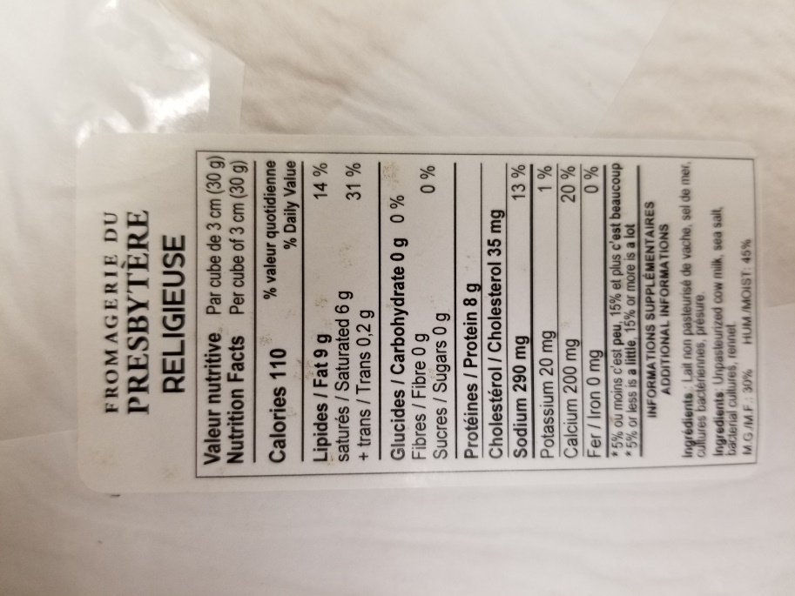
Sample & Inoculum Details |  |  |  |  |  |  |  | Results Summary |  |  |  |  |  |  |  |  |  |  |  | Enrichment Broth screening results: VT qPCR (vtx/stx) |  |  |  |  |  | Colony Pool screening results VT qPCR |  |  |  |  |  |  |  |  |  |  |  |  |  | VT qPCR Colony screening results |  |  |  |  |  |  |  |  |  |  |  |  |  |  |  |  |  |  |  |  |  |  | Isolate Typing: CF qPCR (eae; aggR; aaiC) and Species ID
Experiment: | Limit of Detection 100 g
Category : | Dairy products
Type : | Raw |  |  |  |  |  |  |  |  |  | Inoculum |  | Enrichment (VT qPCR) |  | Colony Pools (VT qPCR) | Isolates |  |  | Final Result |  |  | Instagene |  | PureGene |  | Group | Replicate | Pool 1 |  | Pool 2 |  | Pool 3 |  | Pool 4 |  | Pool 5 |  | Pool 6 |  | Group | Replicate | Pool | Colony 1 |  | Colony 2 |  | Colony 3 |  | Colony 4 |  | Colony 5 |  | Colony 6 |  | Colony 7 |  | Colony 8 |  | Colony 9 |  | Colony 10 |  | Group | Replicate | Pool | Colony | CF qPCR |  | Species ID | O157 Antigen
Food item : | Raw milk cheese (semi-soft) |  |  |  |  |  |  | Group | Replicate | Matrix | MPN (CFU) | Plate Count (CFU) | Instagene | Puregene |  | Colonies (VT qPCR) | Colonies (CF qPCR) | Species ID (API) |  | Group | Replicate | FAM (VT) | HEX (IPC) | FAM (VT) | HEX (IPC) |  |  | FAM (VT) | HEX (IPC) | FAM (VT) | HEX (IPC) | FAM (VT) | HEX (IPC) | FAM (VT) | HEX (IPC) | FAM (VT) | HEX (IPC) | FAM (VT) | HEX (IPC) |  |  |  | FAM (VT) | HEX (IPC) | FAM (VT) | HEX (IPC) | FAM (VT) | HEX (IPC) | FAM (VT) | HEX (IPC) | FAM (VT) | HEX (IPC) | FAM (VT) | HEX (IPC) | FAM (VT) | HEX (IPC) | FAM (VT) | HEX (IPC) | FAM (VT) | HEX (IPC) | FAM (VT) | HEX (IPC) |  |  |  |  | FAM (CF) | HEX (IPC) | API Rapid20E
 |  |  |  |  |  |  |  | MPN A | 45 g | Raw Milk Cheese |  |  | - | - | ND | ND | ND | ND | VTEC negative | MPN A | 45 g | NA | 30.6 | NA | 30.2 | MPN A | 45 g | ND | ND | ND | ND | ND | ND | ND | ND | ND | ND | ND | ND | MPN A | 45 g | 1 | ND | ND | ND | ND | ND | ND | ND | ND | ND | ND | ND | ND | ND | ND | ND | ND | ND | ND | ND | ND | MPN A | 45 g | ND | ND | ND | ND | ND | ND
Sample Details |  |  |  |  |  |  |  |  | 4.5 g | Raw Milk Cheese |  |  | + | + | + | + | + | E. coli | VTEC positive |  | 4.5 g | 19.4 | 31.7 | 16.4 | 34.6 |  | 4.5 g | 17.6 | 31.6 | ND | ND | ND | ND | ND | ND | ND | ND | ND | ND |  | 4.5 g | 1 | NA | 31.5 | 18.5 | NA | 18.1 | NA | 18.8 | 35.0 | 18.2 | NA | 18.7 | NA | 19.3 | 34.5 | 19.3 | 35.0 | 18.2 | NA | 21.0 | 34.0 |  | 4.5 g | 1 | 2 | 20.7 | 32.6 | Escherichia coli 1, 88.9% | +
Date of spiking |  |  |  | 2024-06-21 |  |  |  |  | 0.5 g | Raw Milk Cheese |  |  | - | - | ND | ND | ND | ND | VTEC negative |  | 0.5 g | NA | 30.1 | NA | 30.2 |  | 0.5 g | ND | ND | ND | ND | ND | ND | ND | ND | ND | ND | ND | ND |  | 0.5 g | 1 | ND | ND | ND | ND | ND | ND | ND | ND | ND | ND | ND | ND | ND | ND | ND | ND | ND | ND | ND | ND |  | 0.5 g | ND | ND | ND | ND | ND | ND
Analysis start date |  |  |  | 2024-06-24 |  |  |  | MPN B | 45 g | Raw Milk Cheese |  |  | + | + | + | + | + | E. coli | VTEC positive | MPN B | 45 g | 21.4 | 30.9 | 17.7 | 32.4 | MPN B | 45 g | 18.8 | 31.0 | ND | ND | ND | ND | ND | ND | ND | ND | ND | ND | MPN B | 45 g | 1 | 18.1 | 29.1 | 17.9 | 30.2 | NA | 29.8 | 23.6 | 28.9 | 17.3 | 29.7 | 24.5 | 28.9 | 19.1 | 28.6 | 20.2 | 29.5 | 22.3 | 28.9 | 19.2 | 30.2 | MPN B | 45 g | 1 | 2 | 20.1 | 32.6 | Escherichia coli 1, 88.9% | +
Sample Size |  |  |  | 100 g |  |  |  |  | 4.5 g | Raw Milk Cheese |  |  | - | - | ND | ND | ND | ND | VTEC negative |  | 4.5 g | NA | 30.3 | NA | 30.2 |  | 4.5 g | ND | ND | ND | ND | ND | ND | ND | ND | ND | ND | ND | ND |  | 4.5 g | 1 | ND | ND | ND | ND | ND | ND | ND | ND | ND | ND | ND | ND | ND | ND | ND | ND | ND | ND | ND | ND |  | 4.5 g | ND | ND | ND | ND | ND | ND
Food Item background microflora concentration |  |  |  | 8.5 Log CFU/g |  |  |  |  | 0.5 g | Raw Milk Cheese |  |  | - | - | ND | ND | ND | ND | VTEC negative |  | 0.5 g | NA | 30.1 | NA | 30.2 |  | 0.5 g | ND | ND | ND | ND | ND | ND | ND | ND | ND | ND | ND | ND |  | 0.5 g | 1 | ND | ND | ND | ND | ND | ND | ND | ND | ND | ND | ND | ND | ND | ND | ND | ND | ND | ND | ND | ND |  | 0.5 g | ND | ND | ND | ND | ND | ND
Method used to determine sample background microflora |  |  |  | MFHPB-18, 15 °C incubation (25 g analytical units n=3) |  |  |  | MPN C | 45 g | Raw Milk Cheese |  |  | + | + | + | + | + | E. coli | VTEC positive | MPN C | 45 g | 22.6 | 30.3 | 19.2 | 30.8 | MPN C | 45 g | 20.8 | 30.3 | ND | ND | ND | ND | ND | ND | ND | ND | ND | ND | MPN C | 45 g | 1 | 16.7 | NA | 17.3 | NA | 22.4 | 33.4 | 17.6 | NA | 17.4 | NA | 18.8 | NA | 17.1 | NA | 20.9 | 34.2 | 18.3 | NA | 19.0 | NA | MPN C | 45 g | 1 | 1 | 18.5 | 34.2 | Escherichia coli 1, 88.9% | +
 |  |  |  |  |  |  |  |  | 4.5 g | Raw Milk Cheese |  |  | - | - | ND | ND | ND | ND | VTEC negative |  | 4.5 g | NA | 30.3 | NA | 30.1 |  | 4.5 g | ND | ND | ND | ND | ND | ND | ND | ND | ND | ND | ND | ND |  | 4.5 g | 1 | ND | ND | ND | ND | ND | ND | ND | ND | ND | ND | ND | ND | ND | ND | ND | ND | ND | ND | ND | ND |  | 4.5 g | ND | ND | ND | ND | ND | ND
Inoculum Details |  |  |  |  |  |  |  |  | 0.5 g | Raw Milk Cheese |  |  | - | - | ND | ND | ND | ND | VTEC negative |  | 0.5 g | NA | 30.1 | NA | 30.2 |  | 0.5 g | ND | ND | ND | ND | ND | ND | ND | ND | ND | ND | ND | ND |  | 0.5 g | 1 | ND | ND | ND | ND | ND | ND | ND | ND | ND | ND | ND | ND | ND | ND | ND | ND | ND | ND | ND | ND |  | 0.5 g | ND | ND | ND | ND | ND | ND
Strain ID |  |  |  | BMH-13-0001 : STEC O157:H7; stx1, stx2, eae |  |  |  | 1 | 1 | Raw Milk Cheese | 1.7 | 2.3 | + | + | + | + | + | E. coli | VTEC positive | 1 | 1 | 24.2 | 30.2 | 20.5 | 32.3 | 1 | 1 | 19.2 | 30.5 | ND | ND | ND | ND | ND | ND | ND | ND | ND | ND | 1 | 1 | 1 | 17.7 | 29.1 | 17.2 | 31.4 | NA | 29.9 | 20.6 | 28.6 | NA | 29.9 | 20.1 | 29.0 | NA | 29.7 | 19.3 | 29.7 | NA | 29.7 | NA | 29.8 | 1 | 1 | 1 | 1 | 20.0 | 32.3 | Escherichia coli 1, 88.9% | +
Strain source (time of isolation, source commodity, geographic region of origin) |  |  |  | Raw milk Gouda Cheese |  |  |  |  | 2 | Raw Milk Cheese | 1.7 | 2.3 | + | + | + | + | + | E. coli | VTEC positive |  | 2 | 23.1 | 30.3 | 21.4 | 32.1 |  | 2 | 18.1 | 31.3 | ND | ND | ND | ND | ND | ND | ND | ND | ND | ND |  | 2 | 1 | 18.3 | 30.7 | 19.1 | 29.9 | 18.4 | 30.0 | 20.3 | 29.6 | 19.6 | 29.6 | NA | 29.6 | NA | 29.9 | 19.8 | 30.3 | 19.4 | 29.7 | 22.5 | 28.9 |  | 2 | 1 | 1 | 20.3 | 33.0 | Escherichia coli 1, 88.9% | +
Concentration of inoculum, volume used to spike: |  |  |  | Highest concentration 22.5 CFU/mL, 100 µL = 2.3 CFU |  |  |  |  | 3 | Raw Milk Cheese | 1.7 | 2.3 | + | + | + | + | + | E. coli | VTEC positive |  | 3 | 24.4 | 30.3 | 25.8 | 31.1 |  | 3 | 17.6 | 31.2 | ND | ND | ND | ND | ND | ND | ND | ND | ND | ND |  | 3 | 1 | 23.8 | 29.2 | 18.8 | 29.0 | 20.5 | 28.3 | 18.5 | 29.8 | 19.1 | 28.9 | 28.5 | 29.5 | NA | 30.0 | 19.7 | 29.1 | 26.5 | 29.1 | 17.0 | 30.3 |  | 3 | 1 | 2 | 20.9 | 32.3 | Escherichia coli 1, 88.9% | +
Method used to determine spiking concentration: |  |  |  | Plating onto TSA, 35 °C, 18-24 h |  |  |  |  | 4 | Raw Milk Cheese | 1.7 | 2.3 | + | + | + | + | + | E. coli | VTEC positive |  | 4 | 22.7 | 30.1 | 20.9 | 32.2 |  | 4 | 16.6 | 32.2 | ND | ND | ND | ND | ND | ND | ND | ND | ND | ND |  | 4 | 1 | NA | 30.1 | 19.6 | 29.5 | 17.5 | 31.0 | 19.6 | 29.9 | 17.1 | 30.7 | NA | 30.1 | 17.3 | 29.3 | 17.8 | 30.4 | 18.1 | 30.4 | 19.8 | 29.3 |  | 4 | 1 | 3 | 19.8 | 32.5 | Escherichia coli 1, 88.9% | +
Equilibration conditions: |  |  |  | 1-5 °C, 3 days |  |  |  |  | 5 | Raw Milk Cheese | 1.7 | 2.3 | + | + | + | + | + | E. coli | VTEC positive |  | 5 | 23.7 | 30.2 | 24.8 | 31.3 |  | 5 | 18.1 | 31.1 | ND | ND | ND | ND | ND | ND | ND | ND | ND | ND |  | 5 | 1 | 24.8 | 29.0 | 19.2 | 30.0 | 19.4 | 30.0 | NA | 30.1 | NA | 29.9 | 18.5 | 30.0 | 18.2 | 30.4 | 6.8 | 30.4 | 19.1 | 29.7 | 20.3 | 28.4 |  | 5 | 1 | 2 | 21.0 | 32.1 | Escherichia coli 1, 88.9% | +
 |  |  |  |  |  |  |  |  | 6 | Raw Milk Cheese | 1.7 | 2.3 | + | + | + | + | + | E. coli | VTEC positive |  | 6 | 22.6 | 30.2 | 25.0 | 31.0 |  | 6 | 17.7 | 30.8 | ND | ND | ND | ND | ND | ND | ND | ND | ND | ND |  | 6 | 1 | 19.1 | 29.9 | 19.0 | 30.1 | 21.0 | 30.1 | 23.0 | 29.5 | NA | 29.8 | 16.7 | 32.2 | 17.5 | 31.3 | 18.0 | 31.2 | 18.8 | 30.2 | NA | 30.1 |  | 6 | 1 | 1 | 20.7 | 32.1 | Escherichia coli 1, 88.9% | +
Was the inoculum stressed? |  |  |  |  |  | No |  | 1/2 | 1 | Raw Milk Cheese | 0.85 | 1.1 | - | - | ND | ND | ND | ND | VTEC negative | 1/2 | 1 | NA | 30.3 | NA | 31.2 | 1/2 | 1 | ND | ND | ND | ND | ND | ND | ND | ND | ND | ND | ND | ND | 1/2 | 1 | 1 | ND | ND | ND | ND | ND | ND | ND | ND | ND | ND | ND | ND | ND | ND | ND | ND | ND | ND | ND | ND | 1/2 | 1 | ND | ND | ND | ND | ND | ND
Stressing Conditions: |  |  |  | n/a |  |  |  |  | 2 | Raw Milk Cheese | 0.85 | 1.1 | + | + | + | + | + | E. coli | VTEC positive |  | 2 | 22.4 | 30.1 | 19.3 | 33.1 |  | 2 | 17.5 | 31.4 | ND | ND | ND | ND | ND | ND | ND | ND | ND | ND |  | 2 | 1 | NA | 30.1 | 19.3 | 30.0 | 21.2 | 29.3 | 19.5 | 30.2 | 19.2 | 30.1 | 20.9 | 28.2 | 20.2 | 29.1 | 19.0 | 29.8 | 18.4 | 29.5 | 20.0 | 29.3 |  | 2 | 1 | 2 | 21.2 | 32.1 | Escherichia coli 1, 88.9% | +
Stress level: |  |  |  | n/a |  |  |  |  | 3 | Raw Milk Cheese | 0.85 | 1.1 | - | - | ND | ND | ND | ND | VTEC negative |  | 3 | NA | 30.1 | NA | 31.2 |  | 3 | ND | ND | ND | ND | ND | ND | ND | ND | ND | ND | ND | ND |  | 3 | 1 | ND | ND | ND | ND | ND | ND | ND | ND | ND | ND | ND | ND | ND | ND | ND | ND | ND | ND | ND | ND |  | 3 | ND | ND | ND | ND | ND | ND
How was the stress level determined? |  |  |  | n/a |  |  |  |  | 4 | Raw Milk Cheese | 0.85 | 1.1 | - | - | ND | ND | ND | ND | VTEC negative |  | 4 | NA | 30.3 | NA | 31.1 |  | 4 | ND | ND | ND | ND | ND | ND | ND | ND | ND | ND | ND | ND |  | 4 | 1 | ND | ND | ND | ND | ND | ND | ND | ND | ND | ND | ND | ND | ND | ND | ND | ND | ND | ND | ND | ND |  | 4 | ND | ND | ND | ND | ND | ND
n/a: not applicable |  |  |  |  |  |  |  |  | 5 | Raw Milk Cheese | 0.85 | 1.1 | - | - | ND | ND | ND | ND | VTEC negative |  | 5 | NA | 30.4 | NA | 31.0 |  | 5 | ND | ND | ND | ND | ND | ND | ND | ND | ND | ND | ND | ND |  | 5 | 1 | ND | ND | ND | ND | ND | ND | ND | ND | ND | ND | ND | ND | ND | ND | ND | ND | ND | ND | ND | ND |  | 5 | ND | ND | ND | ND | ND | ND
Was a Co-Inoculum Used? |  |  |  |  |  | No |  |  | 6 | Raw Milk Cheese | 0.85 | 1.1 | + | + | + | + | + | E. coli | VTEC positive |  | 6 | 23.3 | 30.1 | 21.2 | 31.5 |  | 6 | 17.9 | 30.7 | ND | ND | ND | ND | ND | ND | ND | ND | ND | ND |  | 6 | 1 | 18.2 | 30.0 | 21.1 | 29.4 | 21.6 | 29.3 | 18.3 | 30.1 | 21.5 | 29.3 | NA | 29.6 | NA | 29.6 | 18.9 | 30.8 | 20.8 | 28.6 | 17.6 | 29.9 |  | 6 | 1 | 1 | 19.8 | 32.6 | Escherichia coli 1, 88.9% | +
Strain ID of co-inoculum: |  |  |  | n/a |  |  |  | 1/4 | 1 | Raw Milk Cheese | 0.43 | 0.56 | - | - | ND | ND | ND | ND | VTEC negative | 1/4 | 1 | NA | 30.6 | NA | 31.4 | 1/4 | 1 | ND | ND | ND | ND | ND | ND | ND | ND | ND | ND | ND | ND | 1/4 | 1 | 1 | ND | ND | ND | ND | ND | ND | ND | ND | ND | ND | ND | ND | ND | ND | ND | ND | ND | ND | ND | ND | 1/4 | 1 | ND | ND | ND | ND | ND | ND
Strain source |  |  |  | n/a |  |  |  |  | 2 | Raw Milk Cheese | 0.43 | 0.56 | + | + | + | + | + | E. coli | VTEC positive |  | 2 | 24.0 | 30.2 | 20.6 | 32.2 |  | 2 | 17.6 | 31.1 | ND | ND | ND | ND | ND | ND | ND | ND | ND | ND |  | 2 | 1 | 20.5 | 34.8 | 23.3 | 32.9 | 17.1 | NA | 18.0 | NA | 17.8 | NA | NA | 31.8 | 18.1 | NA | NA | 31.6 | 19.3 | 35.2 | NA | 31.7 |  | 2 | 1 | 3 | 19.2 | 33.1 | Escherichia coli 1, 88.9% | +
Where all spiked samples co-inoculated? |  |  |  | n/a |  |  |  |  | 3 | Raw Milk Cheese | 0.43 | 0.56 | + | + | + | + | + | E. coli | VTEC positive |  | 3 | 24.6 | 30.4 | 20.8 | 32.5 |  | 3 | 18.6 | 30.3 | ND | ND | ND | ND | ND | ND | ND | ND | ND | ND |  | 3 | 1 | NA | 32.2 | 20.0 | 35.09 | 20.5 | 34.75 | 18.7 | NA | 20.2 | 34.66 | 16.7 | NA | 19.5 | 34.79 | 20.0 | 34.31 | 18.3 | NA | NA | 31.85 |  | 3 | 1 | 6 | 18.5 | 33.7 | Escherichia coli 1, 88.9% | +
Concentration of inoculum, volume used to spike: |  |  |  | n/a |  |  |  |  | 4 | Raw Milk Cheese | 0.43 | 0.56 | - | - | ND | ND | ND | ND | VTEC negative |  | 4 | NA | 30.3 | NA | 31.3 |  | 4 | ND | ND | ND | ND | ND | ND | ND | ND | ND | ND | ND | ND |  | 4 | 1 | ND | ND | ND | ND | ND | ND | ND | ND | ND | ND | ND | ND | ND | ND | ND | ND | ND | ND | ND | ND |  | 4 | ND | ND | ND | ND | ND | ND
Stressing conditions (if applicable): |  |  |  | n/a |  |  |  |  | 5 | Raw Milk Cheese | 0.43 | 0.56 | + | + | + | + | + | E. coli | VTEC positive |  | 5 | 23.5 | 30.1 | 19.7 | 33.0 |  | 5 | 18.1 | 31.3 | ND | ND | ND | ND | ND | ND | ND | ND | ND | ND |  | 5 | 1 | 19.3 | 35.0 | 18.7 | NA | 20.8 | 33.7 | 20.1 | 34.6 | 20.1 | 34.5 | 19.3 | 35.2 | 19.8 | 34.7 | 19.7 | 34.8 | 19.3 | 35.0 | 19.0 | 35.4 |  | 5 | 1 | 2 | 20.6 | 32.4 | Escherichia coli 1, 88.9% | +
Stress level (if applicable): |  |  |  | n/a |  |  |  |  | 6 | Raw Milk Cheese | 0.43 | 0.56 | + | + | + | + | + | E. coli | VTEC positive |  | 6 | 23.0 | 29.9 | 20.5 | 32.2 |  | 6 | 19.9 | 30.2 | ND | ND | ND | ND | ND | ND | ND | ND | ND | ND |  | 6 | 1 | 22.1 | 33.7 | 20.3 | 34.2 | 19.4 | 35.0 | NA | 31.8 | NA | 31.5 | 22.1 | 33.6 | NA | 31.5 | NA | 31.3 | 20.4 | 34.8 | 21.5 | 33.6 |  | 6 | 1 | 3 | 21.5 | 31.9 | Escherichia coli 1, 88.9% | +
How was the stress level determined? (Please include counts and agar choices) (if applicable) |  |  |  | n/a |  |  |  | 1/8 | 1 | Raw Milk Cheese | 0.21 | 0.28 | - | - | ND | ND | ND | ND | VTEC negative | 1/8 | 1 | NA | 30.4 | NA | 31.2 | 1/8 | 1 | ND | ND | ND | ND | ND | ND | ND | ND | ND | ND | ND | ND | 1/8 | 1 | 1 | ND | ND | ND | ND | ND | ND | ND | ND | ND | ND | ND | ND | ND | ND | ND | ND | ND | ND | ND | ND | 1/8 | 1 | ND | ND | ND | ND | ND | ND
 |  |  |  |  |  |  |  |  | 2 | Raw Milk Cheese | 0.21 | 0.28 | - | - | ND | ND | ND | ND | VTEC negative |  | 2 | NA | 30.5 | NA | 31.2 |  | 2 | ND | ND | ND | ND | ND | ND | ND | ND | ND | ND | ND | ND |  | 2 | 1 | ND | ND | ND | ND | ND | ND | ND | ND | ND | ND | ND | ND | ND | ND | ND | ND | ND | ND | ND | ND |  | 2 | ND | ND | ND | ND | ND | ND
PREPARATION OF INOCULUM |  |  |  |  |  |  |  |  | 3 | Raw Milk Cheese | 0.21 | 0.28 | - | - | ND | ND | ND | ND | VTEC negative |  | 3 | NA | 30.6 | NA | 31.2 |  | 3 | ND | ND | ND | ND | ND | ND | ND | ND | ND | ND | ND | ND |  | 3 | 1 | ND | ND | ND | ND | ND | ND | ND | ND | ND | ND | ND | ND | ND | ND | ND | ND | ND | ND | ND | ND |  | 3 | ND | ND | ND | ND | ND | ND
VTEC O157:H7 BMH-13-0001 (stx1, stx2, eae) |  |  |  |  |  |  |  |  | 4 | Raw Milk Cheese | 0.21 | 0.28 | - | - | ND | ND | ND | ND | VTEC negative |  | 4 | NA | 30.3 | NA | 31.1 |  | 4 | ND | ND | ND | ND | ND | ND | ND | ND | ND | ND | ND | ND |  | 4 | 1 | ND | ND | ND | ND | ND | ND | ND | ND | ND | ND | ND | ND | ND | ND | ND | ND | ND | ND | ND | ND |  | 4 | ND | ND | ND | ND | ND | ND
Plating (TSA) : | 2024-06-21 |  |  |  |  |  |  |  | 5 | Raw Milk Cheese | 0.21 | 0.28 | + | + | + | + | + | E. coli | VTEC positive |  | 5 | 24.2 | 29.9 | 20.0 | 30.4 |  | 5 | 18.3 | 31.4 | ND | ND | ND | ND | ND | ND | ND | ND | ND | ND |  | 5 | 1 | 19.9 | 35.0 | 20.2 | 34.6 | NA | 31.6 | NA | 31.6 | 18.7 | NA | 18.7 | NA | 20.0 | 34.5 | 19.0 | 35.2 | 21.4 | 34.1 | NA | 31.6 |  | 5 | 1 | 1 | 22.1 | 32.2 | Escherichia coli 1, 88.9% | +
Reading : | 2024-06-23 |  |  |  |  |  |  |  | 6 | Raw Milk Cheese | 0.21 | 0.28 | + | + | - | ND | ND | ND | VTEC negative |  | 6 | 33.2 | 30.3 | 31.5 | 30.0 |  | 6 | NA | 30.2 | ND | ND | ND | ND | ND | ND | ND | ND | ND | ND |  | 6 | 1 | ND | ND | ND | ND | ND | ND | ND | ND | ND | ND | ND | ND | ND | ND | ND | ND | ND | ND | ND | ND |  | 6 | ND | ND | ND | ND | ND | ND
Volume / plate : | 100 µL |  |  |  |  |  |  | 1/16 | 1 | Raw Milk Cheese | 0.11 | 0.14 | - | - | ND | ND | ND | ND | VTEC negative | 1/16 | 1 | NA | 30.5 | NA | 31.3 | 1/16 | 1 | ND | ND | ND | ND | ND | ND | ND | ND | ND | ND | ND | ND | 1/16 | 1 | 1 | ND | ND | ND | ND | ND | ND | ND | ND | ND | ND | ND | ND | ND | ND | ND | ND | ND | ND | ND | ND | 1/16 | 1 | ND | ND | ND | ND | ND | ND
 |  |  |  |  |  |  |  |  | 2 | Raw Milk Cheese | 0.11 | 0.14 | + | + | + | + | + | E. coli | VTEC positive |  | 2 | NA | 33.3 | NA | 31.2 |  | 2 | ND | ND | ND | ND | ND | ND | ND | ND | ND | ND | ND | ND |  | 2 | 1 | ND | ND | ND | ND | ND | ND | ND | ND | ND | ND | ND | ND | ND | ND | ND | ND | ND | ND | ND | ND |  | 2 | ND | ND | ND | ND | ND | ND
Dilution | Rep 1 | Rep 2 | CFU/100 µL |  |  |  |  |  | 3 | Raw Milk Cheese | 0.11 | 0.14 | - | - | ND | ND | ND | ND | VTEC negative |  | 3 | 24.5 | 30.1 | 23.5 | 31.2 |  | 3 | 23.2 | 30.1 | ND | ND | ND | ND | ND | ND | ND | ND | ND | ND |  | 3 | 1 | 19.0 | 34.6 | 16.4 | NA | 18.2 | NA | NA | 31.2 | 17.7 | NA | 16.7 | NA | 17.0 | NA | 17.2 | NA | NA | 31.4 | NA | 32.0 |  | 3 | 1 | 2 | 18.5 | 34.4 | Escherichia coli 1, 88.9% | +
1.0E-04 | TNTC | TNTC |  |  |  |  |  |  | 4 | Raw Milk Cheese | 0.11 | 0.14 | + | + | + | + | + | E. coli | VTEC positive |  | 4 | NA | 30.5 | NA | 31.0 |  | 4 | ND | ND | ND | ND | ND | ND | ND | ND | ND | ND | ND | ND |  | 4 | 1 | ND | ND | ND | ND | ND | ND | ND | ND | ND | ND | ND | ND | ND | ND | ND | ND | ND | ND | ND | ND |  | 4 | ND | ND | ND | ND | ND | ND
1.0E-05 | 42 | 48 | 45 |  |  |  |  |  | 5 | Raw Milk Cheese | 0.11 | 0.14 | - | - | ND | ND | ND | ND | VTEC negative |  | 5 | 24.7 | 30.1 | 25.4 | 31.0 |  | 5 | 20.0 | 31.0 | ND | ND | ND | ND | ND | ND | ND | ND | ND | ND |  | 5 | 1 | 17.0 | NA | 17.8 | 35.8 | NA | 31.3 | NA | 32.2 | 16.5 | NA | 16.3 | NA | 17.0 | NA | 17.7 | NA | NA | 31.6 | NA | 31.7 |  | 5 | 1 | 1 | 18.9 | 33.4 | Escherichia coli 1, 88.9% | +
1.0E-06 | 6 | 7 |  |  |  |  |  |  | 6 | Raw Milk Cheese | 0.11 | 0.14 | - | - | ND | ND | ND | ND | VTEC negative |  | 6 | NA | 30.3 | NA | 31.1 |  | 6 | ND | ND | ND | ND | ND | ND | ND | ND | ND | ND | ND | ND |  | 6 | 1 | ND | ND | ND | ND | ND | ND | ND | ND | ND | ND | ND | ND | ND | ND | ND | ND | ND | ND | ND | ND |  | 6 | ND | ND | ND | ND | ND | ND
Dilution in bold used for calculations |  |  |  |  |  |  |  | 1/32 | 1 | Raw Milk Cheese | 0.05 | 0.07 | - | - | ND | ND | ND | ND | VTEC negative | 1/32 | 1 | NA | 30.2 | NA | 31.0 | 1/32 | 1 | ND | ND | ND | ND | ND | ND | ND | ND | ND | ND | ND | ND | 1/32 | 1 | 1 | ND | ND | ND | ND | ND | ND | ND | ND | ND | ND | ND | ND | ND | ND | ND | ND | ND | ND | ND | ND | 1/32 | 1 | ND | ND | ND | ND | ND | ND
 |  |  |  |  |  |  |  |  | 2 | Raw Milk Cheese | 0.05 | 0.07 | - | - | ND | ND | ND | ND | VTEC negative |  | 2 | NA | NA | NA | 31.0 |  | 2 | ND | ND | ND | ND | ND | ND | ND | ND | ND | ND | ND | ND |  | 2 | 1 | ND | ND | ND | ND | ND | ND | ND | ND | ND | ND | ND | ND | ND | ND | ND | ND | ND | ND | ND | ND |  | 2 | ND | ND | ND | ND | ND | ND
Inoculumn 1e-6 dilution of cell suspension diluted 1/2 (1:1) |  |  |  | 2.3 CFU per unit |  |  |  |  | 3 | Raw Milk Cheese | 0.05 | 0.07 | - | - | ND | ND | ND | ND | VTEC negative |  | 3 | NA | 30.4 | NA | 31.0 |  | 3 | ND | ND | ND | ND | ND | ND | ND | ND | ND | ND | ND | ND |  | 3 | 1 | ND | ND | ND | ND | ND | ND | ND | ND | ND | ND | ND | ND | ND | ND | ND | ND | ND | ND | ND | ND |  | 3 | ND | ND | ND | ND | ND | ND
 |  |  |  |  |  |  |  |  | 4 | Raw Milk Cheese | 0.05 | 0.07 | - | - | ND | ND | ND | ND | VTEC negative |  | 4 | NA | 30.2 | NA | 31.0 |  | 4 | ND | ND | ND | ND | ND | ND | ND | ND | ND | ND | ND | ND |  | 4 | 1 | ND | ND | ND | ND | ND | ND | ND | ND | ND | ND | ND | ND | ND | ND | ND | ND | ND | ND | ND | ND |  | 4 | ND | ND | ND | ND | ND | ND
VTEC Concentration Post Equilbration by MPN |  |  |  |  |  |  |  |  | 5 | Raw Milk Cheese | 0.05 | 0.07 | - | - | ND | ND | ND | ND | VTEC negative |  | 5 | NA | 30.3 | NA | 31.0 |  | 5 | ND | ND | ND | ND | ND | ND | ND | ND | ND | ND | ND | ND |  | 5 | 1 | ND | ND | ND | ND | ND | ND | ND | ND | ND | ND | ND | ND | ND | ND | ND | ND | ND | ND | ND | ND |  | 5 | ND | ND | ND | ND | ND | ND
 | Most Probable Number Tubes |  | Confidence Limit |  |  |  |  |  | 6 | Raw Milk Cheese | 0.05 | 0.07 | + | + | + | + | + | ND | ND |  | 6 | NA | 30.5 | NA | 31.1 |  | 6 | ND | ND | ND | ND | ND | ND | ND | ND | ND | ND | ND | ND |  | 6 | 1 | ND | ND | ND | ND | ND | ND | ND | ND | ND | ND | ND | ND | ND | ND | ND | ND | ND | ND | ND | ND |  | 6 | ND | ND | ND | ND | ND | ND
 | Total | Positive | MPN/Unit | Low | High |  |  | ND: Not done |  |  |  |  |  |  |  |  |  |  |  |  | NA: No amplification
45 g | 3 | 2 | 1.65 | 0.45 | 5.45
4.5 g | 3 | 1
0.5 g | 3 | 0 |  |  |  |  |  | Estimate of LOD
 |  |  |  |  |  |  |  | VTEC per analytical Unit
BACKGROUND MICROFLORA (MFHPB-18) |  |  |  |  |  |  |  | MPN | CFU | Positive Units | Total Units | Proportion positive
Raw Milk Cheese |  |  |  |  |  |  |  | 1.70 | 2.30 | 6 | 6 | >50%
Plating (PCA) : | 2024-06-24 |  |  |  |  |  |  | 0.85 | 1.10 | 2 | 6 | <50%
Reading : | 2024-06-29 |  |  |  |  |  |  | 0.43 | 0.56 | 4 | 6 | >50%
Volume / plate : | 100 µL |  |  |  |  |  |  | 0.21 | 0.28 | 1 | 6 | <50%
Dilution in bold used for calculations |  |  |  |  |  |  | LOD | 1.28 | 1.70
Dilution | Sample A |  | Sample B |  | Sample C |  |  | Bold values used to estimate LOD
1.0E+00 | TNTC | TNTC | TNTC | TNTC | TNTC | TNTC
1.0E-01 | TNTC | TNTC | TNTC | TNTC | TNTC | TNTC
1.0E-02 | TNTC | TNTC | TNTC | TNTC | TNTC | TNTC
1.0E-03 | TNTC | TNTC | TNTC | TNTC | TNTC | TNTC
1.0E-04 | TNTC | TNTC | TNTC | TNTC | TNTC | TNTC
1.0E-05 | 22 | 32 | 38 | 43 | 43 | 31
1.0E-06 | 2 | 0 | 2 | 6 | 5 | 7
1.0E-07 | 0 | 0 | 0 | 0 | 0 | 0
Mean CFU/g | 2.7E+08 |  | 4.0E+08 |  | 3.7E+08
Log CFU/g | 8.4 |  | 8.6 |  | 8.6
Mean Log CFU/g | 8.5 | Std | 0.1

FOOD SAMPLE DESCRIPTION
Religieuse Semifsoft Cheese, unpasturised milk. Fromagerie du Presbytere
45% Moisture; 30% Milk Fat
Non-pasturised milk, sea salt, rennet, bacterial culture
Cheese was cut into portions with a setrile knife and grated with a sterile hand grater into bowls. Then weighed in to bags for analysis.

3. Ground Beef 325 g
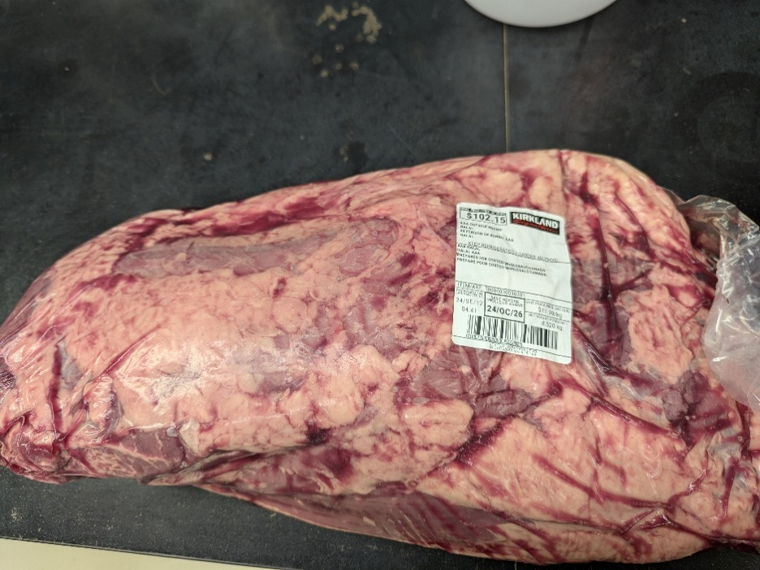
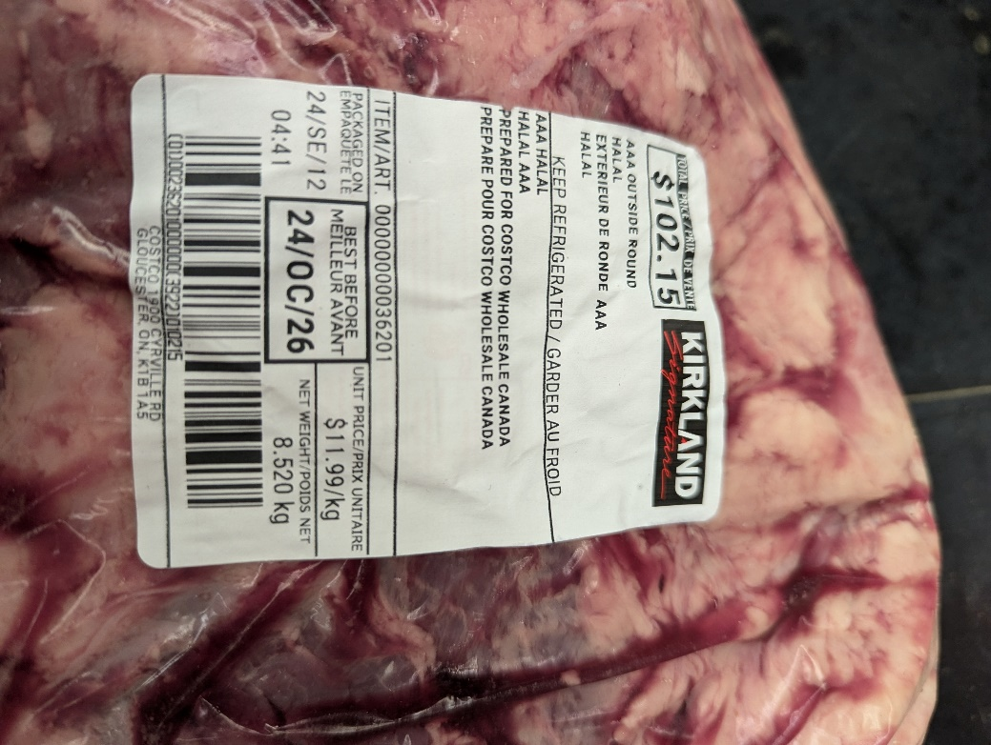
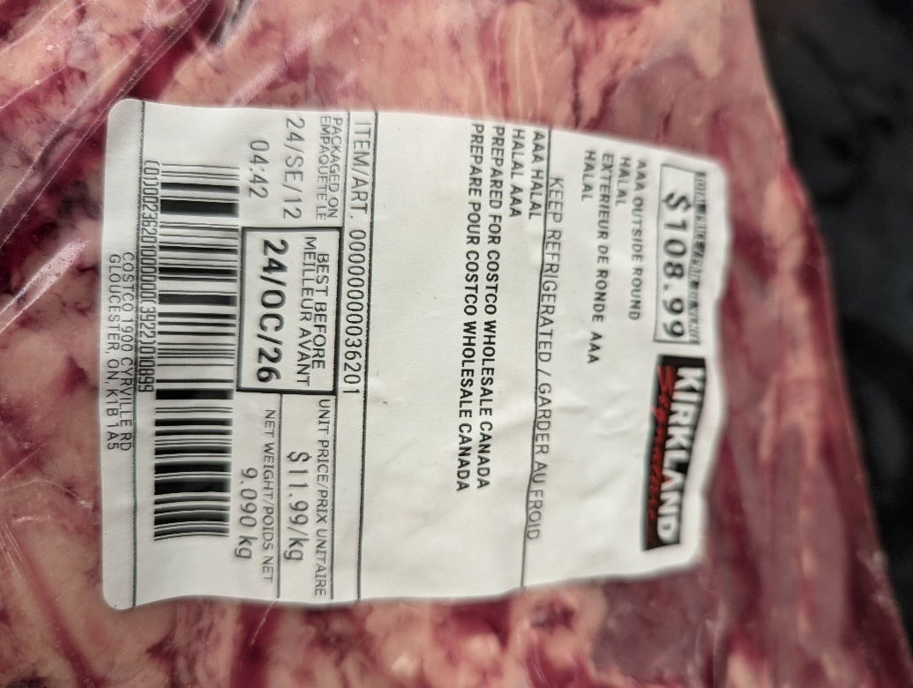
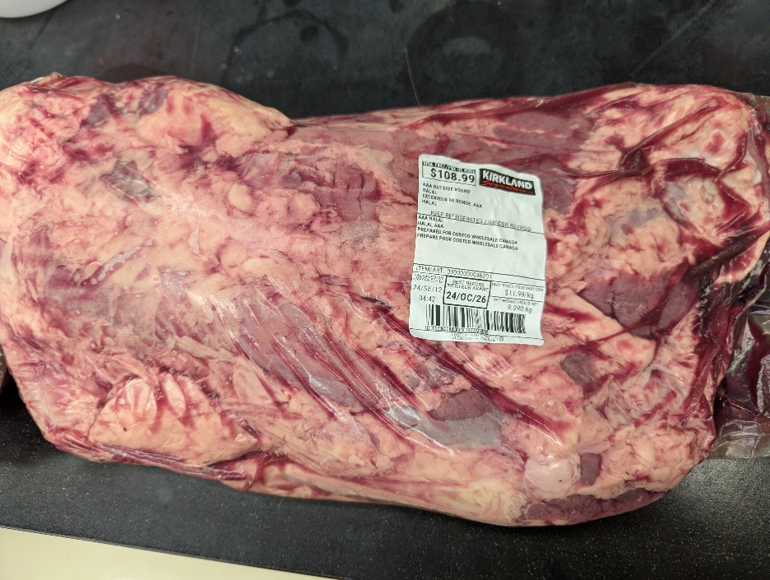
Sample & Inoculum Details |  |  |  |  |  |  |  |  |  |  | Results Summary |  |  |  |  |  |  |  |  |  |  |  | Enrichment Broth screening results: VT qPCR (vtx/stx) |  |  |  |  |  | Colony Pool screening results VT qPCR |  |  |  |  |  |  |  |  |  |  |  |  |  | VT qPCR Colony screening results |  |  |  |  |  |  |  |  |  |  |  |  |  |  |  |  |  |  |  |  |  |  | Isolate Typing: CF qPCR (eae; aggR; aaiC) and Species ID
Experiment: | Limit of Detection 325 g
Category : | Raw meat products
Type : | Raw meat - processed |  |  |  |  |  |  |  |  |  |  |  |  | Inoculum |  | Enrichment (VT qPCR) |  | Colony Pools (VT qPCR) | Isolates |  |  | Final Result |  |  | Instagene |  | PureGene |  | Group | Replicate | Pool 1 |  | Pool 2 |  | Pool 3 |  | Pool 4 |  | Pool 5 |  | Pool 6 |  | Group | Replicate | Pool | Colony 1 |  | Colony 2 |  | Colony 3 |  | Colony 4 |  | Colony 5 |  | Colony 6 |  | Colony 7 |  | Colony 8 |  | Colony 9 |  | Colony 10 |  | Group | Replicate | Pool | Colony | CF qPCR |  | Species ID
Food item : | Ground beef |  |  |  |  |  |  |  |  |  | Group | Replicate | Matrix | MPN (CFU) | Plate Count (CFU) | Instagene | Puregene |  | Colonies (VT qPCR) | Colonies (CF qPCR) | Species ID (API) |  | Group | Replicate | FAM (VT) | HEX (IPC) | FAM (VT) | HEX (IPC) |  |  | FAM (VT) | HEX (IPC) | FAM (VT) | HEX (IPC) | FAM (VT) | HEX (IPC) | FAM (VT) | HEX (IPC) | FAM (VT) | HEX (IPC) | FAM (VT) | HEX (IPC) |  |  |  | FAM (VT) | HEX (IPC) | FAM (VT) | HEX (IPC) | FAM (VT) | HEX (IPC) | FAM (VT) | HEX (IPC) | FAM (VT) | HEX (IPC) | FAM (VT) | HEX (IPC) | FAM (VT) | HEX (IPC) | FAM (VT) | HEX (IPC) | FAM (VT) | HEX (IPC) | FAM (VT) | HEX (IPC) |  |  |  |  | FAM (CF) | HEX (IPC) | API Rapid20E
 |  |  |  |  |  |  |  |  |  |  | MPN A | 45 g | Ground Beef |  |  | - | - | ND | ND | ND | ND | VTEC negative | MPN A | 45 g | NA | 23.3 | NA | 26.0 | MPN A | 45 g | ND | ND | ND | ND | ND | ND | ND | ND | ND | ND | ND | ND | MPN A | 45 g | 1 | ND | ND | ND | ND | ND | ND | ND | ND | ND | ND | ND | ND | ND | ND | ND | ND | ND | ND | ND | ND | MPN A | 45 g | ND | ND | ND | ND | ND
Sample Details |  |  |  |  |  |  |  |  |  |  |  | 4.5 g | Ground Beef |  |  | - | - | ND | ND | ND | ND | VTEC negative |  | 4.5 g | NA | 23.3 | NA | 26.0 |  | 4.5 g | ND | ND | ND | ND | ND | ND | ND | ND | ND | ND | ND | ND |  | 4.5 g | 1 | ND | ND | ND | ND | ND | ND | ND | ND | ND | ND | ND | ND | ND | ND | ND | ND | ND | ND | ND | ND |  | 4.5 g | ND | ND | ND | ND | ND
Date of spiking |  |  |  | 2024-10-04 |  |  |  |  |  |  |  | 0.5 g | Ground Beef |  |  | - | - | ND | ND | ND | ND | VTEC negative |  | 0.5 g | NA | 23.2 | NA | 25.9 |  | 0.5 g | ND | ND | ND | ND | ND | ND | ND | ND | ND | ND | ND | ND |  | 0.5 g | 1 | ND | ND | ND | ND | ND | ND | ND | ND | ND | ND | ND | ND | ND | ND | ND | ND | ND | ND | ND | ND |  | 0.5 g | ND | ND | ND | ND | ND
Analysis start date |  |  |  | 2024-10-07 |  |  |  |  |  |  | MPN B | 45 g | Ground Beef |  |  | + | + | + | + | - | Escherichia coli | VTEC Positive | MPN B | 45 g | 15.0 | 22.9 | 15.2 | 28.2 | MPN B | 45 g | 16.2 | 25.4 | ND | ND | ND | ND | ND | ND | ND | ND | ND | ND | MPN B | 45 g | 1 | 16.3 | 25.6 | 17.8 | 25.1 | 16.8 | 25.4 | 17.7 | 25.1 | 16.5 | 25.5 | 17.0 | 25.3 | 16.6 | 25.3 | 16.2 | 25.5 | 16.6 | 25.5 | 15.8 | 26.2 | MPN B | 45 g | 1 | 9 | NaN | 25.8 | 7045670 E. coli 91%
Sample Size |  |  |  | 325 g (n=30, mean 325.2 std 0.4) |  |  |  |  |  |  |  | 4.5 g | Ground Beef |  |  | - | - | ND | ND | ND | ND | VTEC negative |  | 4.5 g | NA | 23.2 | NA | 25.9 |  | 4.5 g | ND | ND | ND | ND | ND | ND | ND | ND | ND | ND | ND | ND |  | 4.5 g | 1 | ND | ND | ND | ND | ND | ND | ND | ND | ND | ND | ND | ND | ND | ND | ND | ND | ND | ND | ND | ND |  | 4.5 g | ND | ND | ND | ND | ND
Food Item background microflora concentration |  |  |  | 4.5 Log CFU/g (n=3 std = 0.1) |  |  |  |  |  |  |  | 0.5 g | Ground Beef |  |  | - | - | ND | ND | ND | ND | VTEC negative |  | 0.5 g | NA | 23.2 | NA | 25.8 |  | 0.5 g | ND | ND | ND | ND | ND | ND | ND | ND | ND | ND | ND | ND |  | 0.5 g | 1 | ND | ND | ND | ND | ND | ND | ND | ND | ND | ND | ND | ND | ND | ND | ND | ND | ND | ND | ND | ND |  | 0.5 g | ND | ND | ND | ND | ND
Method used to determine sample background microflora |  |  |  | MFHPB-18, 15 °C incubation (25 g analytical units n=3) |  |  |  |  |  |  | MPN C | 45 g | Ground Beef |  |  | - | - | ND | ND | ND | ND | VTEC negative | MPN C | 45 g | NA | 23.4 | NA | 25.8 | MPN C | 45 g | ND | ND | ND | ND | ND | ND | ND | ND | ND | ND | ND | ND | MPN C | 45 g | 1 | ND | ND | ND | ND | ND | ND | ND | ND | ND | ND | ND | ND | ND | ND | ND | ND | ND | ND | ND | ND | MPN C | 45 g | ND | ND | ND | ND | ND
 |  |  |  |  |  |  |  |  |  |  |  | 4.5 g | Ground Beef |  |  | - | - | ND | ND | ND | ND | VTEC negative |  | 4.5 g | NA | 23.2 | NA | 25.7 |  | 4.5 g | ND | ND | ND | ND | ND | ND | ND | ND | ND | ND | ND | ND |  | 4.5 g | 1 | ND | ND | ND | ND | ND | ND | ND | ND | ND | ND | ND | ND | ND | ND | ND | ND | ND | ND | ND | ND |  | 4.5 g | ND | ND | ND | ND | ND
Inoculum Details |  |  |  |  |  |  |  |  |  |  |  | 0.5 g | Ground Beef |  |  | - | - | ND | ND | ND | ND | VTEC negative |  | 0.5 g | NA | 23.2 | NA | 25.9 |  | 0.5 g | ND | ND | ND | ND | ND | ND | ND | ND | ND | ND | ND | ND |  | 0.5 g | 1 | ND | ND | ND | ND | ND | ND | ND | ND | ND | ND | ND | ND | ND | ND | ND | ND | ND | ND | ND | ND |  | 0.5 g | ND | ND | ND | ND | ND
Strain ID |  |  |  | OLC3602: STEC O-untypable:H21; stx2i |  |  |  |  |  |  | 1 | 1 | Ground Beef | 0.4 | 2.2 | + | + | + | + | - | Escherichia coli | VTEC Positive | 1 | A | 19.2 | 22.6 | 18.1 | 26.8 | 1 | 1 | 19.0 | 25.4 | ND | ND | ND | ND | ND | ND | ND | ND | ND | ND | 1 | 1 | 1 | NaN | 25.6 | NaN | 25.3 | NaN | 25.9 | 16.5 | 25.9 | 16.1 | 25.7 | NaN | 25.5 | NaN | 25.6 | NaN | 25.7 | 16.3 | 25.4 | 15.7 | 26.0 | 1 | 1 | 1 | 9 | NaN | 25.7 | 7045670 E. coli 91%
Strain source (time of isolation, source commodity, geographic region of origin) |  |  |  | Lamb |  |  |  |  |  |  |  | 2 | Ground Beef | 0.4 | 2.2 | + | + | + | + | - | Escherichia coli | VTEC Positive |  | B | 18.4 | 22.9 | 17.9 | 27.4 |  | 2 | 17.1 | 25.8 | ND | ND | ND | ND | ND | ND | ND | ND | ND | ND |  | 2 | 1 | 15.7 | 26.5 | NaN | 25.7 | 16.8 | 25.8 | 16.5 | 25.8 | NaN | 25.9 | NaN | 25.8 | 15.8 | 25.6 | 15.4 | 26.1 | 16.0 | 26.0 | 16.0 | 25.6 |  | 2 | 1 | 9 | NaN | 26.0 | 7045670 E. coli 91%
Concentration of inoculum, volume used to spike: |  |  |  | Highest concentration 22 CFU/mL, 100 µL = 2.2 CFU |  |  |  |  |  |  |  | 3 | Ground Beef | 0.4 | 2.2 | + | + | + | + | - | Escherichia coli | VTEC Positive |  | C | 21.6 | 23.2 | 20.8 | 26.3 |  | 3 | 17.8 | 25.8 | ND | ND | ND | ND | ND | ND | ND | ND | ND | ND |  | 3 | 1 | NaN | 25.9 | 17.1 | 25.5 | 19.4 | 25.9 | NaN | 25.5 | NaN | 26.3 | 18.6 | 25.5 | 16.7 | 25.1 | 16.5 | 25.7 | 16.2 | 25.4 | 15.3 | 26.2 |  | 3 | 1 | 9 | NaN | 25.9 | 7045670 E. coli 91%
Method used to determine spiking concentration: |  |  |  | Plating onto BHI, 35 °C, 18-24 h |  |  |  |  |  |  |  | 4 | Ground Beef | 0.4 | 2.2 | + | + | + | + | - | Escherichia coli | VTEC Positive |  | D | 18.2 | 22.8 | 17.3 | 27.1 |  | 4 | 18.6 | 25.5 | ND | ND | ND | ND | ND | ND | ND | ND | ND | ND |  | 4 | 1 | NaN | 25.6 | NaN | 25.5 | NaN | 25.7 | NaN | 25.8 | 16.0 | 26.0 | NaN | 25.3 | NaN | 25.8 | NaN | 25.7 | 16.2 | 25.6 | 15.8 | 25.8 |  | 4 | 1 | 9 | NaN | 25.7 | 7045670 E. coli 91%
Equilibration conditions: |  |  |  | 1-5 °C, 3 days |  |  |  |  |  |  |  | 5 | Ground Beef | 0.4 | 2.2 | + | + | + | + | - | Escherichia coli | VTEC Positive |  | E | 18.0 | 22.7 | 17.1 | 27.1 |  | 5 | 16.7 | 25.6 | ND | ND | ND | ND | ND | ND | ND | ND | ND | ND |  | 5 | 1 | 28.5 | 25.5 | NaN | 25.9 | 18.7 | 24.9 | 15.3 | 26.2 | 15.4 | 26.1 | 15.6 | 25.9 | 15.1 | 25.9 | 16.0 | 26.0 | 15.3 | 26.1 | 15.9 | 25.7 |  | 5 | 1 | 9 | NaN | 25.3 | 7045670 E. coli 91%
 |  |  |  |  |  |  |  |  |  |  |  | 6 | Ground Beef | 0.4 | 2.2 | + | + | + | + | - | Escherichia coli | VTEC Positive |  | F | 18.2 | 22.6 | 16.8 | 27.2 |  | 6 | 17.1 | 25.5 | ND | ND | ND | ND | ND | ND | ND | ND | ND | ND |  | 6 | 1 | NaN | 25.3 | NaN | 25.4 | NaN | 25.6 | 16.2 | 25.8 | NaN | 25.7 | NaN | 25.5 | 17.0 | 25.2 | 15.2 | 26.3 | 16.8 | 25.5 | 16.2 | 25.5 |  | 6 | 1 | 9 | NaN | 25.6 | 7045670 E. coli 91%
Was the inoculum stressed? |  |  |  |  |  | No |  |  |  |  | 1/2 | 1 | Ground Beef | 0.2 | 1.1 | + | + | + | + | - | Escherichia coli | VTEC Positive | 1/2 | A | 19.5 | 22.7 | 18.3 | 26.9 | 1/2 | 1 | 17.2 | 25.5 | ND | ND | ND | ND | ND | ND | ND | ND | ND | ND | 1/2 | 1 | 1 | NaN | 26.1 | 17.8 | 25.0 | NaN | 25.8 | 15.4 | 26.2 | 15.7 | 25.9 | 16.7 | 25.1 | 16.3 | 25.7 | 15.6 | 26.1 | 16.2 | 25.5 | 15.2 | 26.0 | 1/2 | 1 | 1 | 9 | NaN | 25.6 | 7045670 E. coli 91%
Stressing Conditions: |  |  |  | n/a |  |  |  |  |  |  |  | 2 | Ground Beef | 0.2 | 1.1 | - | - | ND | ND | ND | ND | VTEC negative |  | B | NA | 23.2 | NA | 26.0 |  | 2 | ND | ND | ND | ND | ND | ND | ND | ND | ND | ND | ND | ND |  | 2 | 1 | ND | ND | ND | ND | ND | ND | ND | ND | ND | ND | ND | ND | ND | ND | ND | ND | ND | ND | ND | ND |  | 2 | ND | ND | ND | ND | ND
Stress level: |  |  |  | n/a |  |  |  |  |  |  |  | 3 | Ground Beef | 0.2 | 1.1 | + | + | + | + | - | Escherichia coli | VTEC Positive |  | C | 19.2 | 22.9 | 18.2 | 26.9 |  | 3 | 16.6 | 25.5 | ND | ND | ND | ND | ND | ND | ND | ND | ND | ND |  | 3 | 1 | 16.9 | 25.3 | 15.5 | 26.0 | NaN | 25.8 | 15.9 | 25.7 | 16.2 | 25.5 | 15.7 | 25.5 | 16.1 | 25.4 | 15.8 | 25.6 | 16.0 | 25.6 | 16.2 | 25.6 |  | 3 | 1 | 9 | NaN | 25.6 | 7045670 E. coli 91%
How was the stress level determined? |  |  |  | n/a |  |  |  |  |  |  |  | 4 | Ground Beef | 0.2 | 1.1 | - | - | ND | ND | ND | ND | VTEC negative |  | D | NA | 23.3 | NA | 26.0 |  | 4 | ND | ND | ND | ND | ND | ND | ND | ND | ND | ND | ND | ND |  | 4 | 1 | ND | ND | ND | ND | ND | ND | ND | ND | ND | ND | ND | ND | ND | ND | ND | ND | ND | ND | ND | ND |  | 4 | ND | ND | ND | ND | ND
n/a: not applicable |  |  |  |  |  |  |  |  |  |  |  | 5 | Ground Beef | 0.2 | 1.1 | + | + | + | + | - | Escherichia coli | VTEC Positive |  | E | 20.0 | 22.7 | 19.4 | 26.3 |  | 5 | 18.1 | 25.5 | ND | ND | ND | ND | ND | ND | ND | ND | ND | ND |  | 5 | 1 | NaN | 26.3 | NaN | 25.9 | 15.9 | 26.2 | 19.5 | 25.4 | NaN | 26.1 | NaN | 25.1 | NaN | 25.2 | NaN | 25.0 | 16.4 | 25.5 | 15.8 | 25.8 |  | 5 | 1 | 9 | NaN | 25.2 | 7045670 E. coli 91%
Was a Co-Inoculum Used? |  |  |  |  |  | Yes |  |  |  |  |  | 6 | Ground Beef | 0.2 | 1.1 | + | + | + | + | - | Escherichia coli | VTEC Positive |  | F | 19.2 | 22.8 | 18.2 | 26.6 |  | 6 | 19.5 | 25.4 | ND | ND | ND | ND | ND | ND | ND | ND | ND | ND |  | 6 | 1 | NaN | 25.6 | NaN | 25.3 | NaN | 25.3 | NaN | 25.6 | NaN | 26.0 | NaN | 25.8 | NaN | 25.4 | NaN | 25.7 | 16.5 | 25.7 | 18.2 | 25.2 |  | 6 | 1 | 9 | NaN | 25.9 | 7045670 E. coli 91%
Strain ID of co-inoculum: |  |  |  | OLC 1214 |  |  |  |  |  |  | 1/4 | 1 | Ground Beef | 0.1 | 0.55 | - | - | ND | ND | ND | ND | VTEC negative | 1/4 | A | NA | 23.1 | NA | 25.9 | 1/4 | 1 | ND | ND | ND | ND | ND | ND | ND | ND | ND | ND | ND | ND | 1/4 | 1 | 1 | ND | ND | ND | ND | ND | ND | ND | ND | ND | ND | ND | ND | ND | ND | ND | ND | ND | ND | ND | ND | 1/4 | 1 | ND | ND | ND | ND | ND
Strain source |  |  |  | Ground Beef |  |  |  |  |  |  |  | 2 | Ground Beef | 0.1 | 0.55 | + | + | + | + | - | Escherichia coli | VTEC Positive |  | B | 22.3 | 22.8 | 22.6 | 26.2 |  | 2 | 18.1 | 25.6 | ND | ND | ND | ND | ND | ND | ND | ND | ND | ND |  | 2 | 1 | NaN | 25.7 | NaN | 25.5 | NaN | 25.9 | NaN | 25.5 | NaN | 25.5 | NaN | 25.1 | 16.9 | 25.1 | NaN | 25.1 | 16.3 | 25.5 | 15.9 | 25.7 |  | 2 | 1 | 9 | NaN | 25.3 | 7045670 E. coli 91%
Where all spiked samples co-inoculated? |  |  |  | Yes |  |  |  |  |  |  |  | 3 | Ground Beef | 0.1 | 0.55 | + | + | + | + | - | Escherichia coli | VTEC Positive |  | C | 18.2 | 22.8 | 17.9 | 26.5 |  | 3 | 17.0 | 25.4 | ND | ND | ND | ND | ND | ND | ND | ND | ND | ND |  | 3 | 1 | NaN | 25.27 | 16.7 | 25.41 | 18.4 | 25.06 | 16.4 | 25.73 | 16.2 | 25.68 | 16.0 | 26.07 | 19.4 | 24.97 | 16.3 | 25.56 | 16.5 | 25.35 | 16.7 | 25.39 |  | 3 | 1 | 9 | NaN | 25.9 | 7045670 E. coli 91%
Concentration of inoculum, volume used to spike: |  |  |  | 400 CFU/mL, 100 µL = 40 CFU |  |  |  |  |  |  |  | 4 | Ground Beef | 0.1 | 0.55 | - | - | ND | ND | ND | ND | VTEC negative |  | D | NA | 23.3 | NA | 25.9 |  | 4 | ND | ND | ND | ND | ND | ND | ND | ND | ND | ND | ND | ND |  | 4 | 1 | ND | ND | ND | ND | ND | ND | ND | ND | ND | ND | ND | ND | ND | ND | ND | ND | ND | ND | ND | ND |  | 4 | ND | ND | ND | ND | ND
Stressing conditions (if applicable): |  |  |  | n/a |  |  |  |  |  |  |  | 5 | Ground Beef | 0.1 | 0.55 | - | - | ND | ND | ND | ND | VTEC negative |  | E | NA | 23.3 | NA | 25.9 |  | 5 | ND | ND | ND | ND | ND | ND | ND | ND | ND | ND | ND | ND |  | 5 | 1 | ND | ND | ND | ND | ND | ND | ND | ND | ND | ND | ND | ND | ND | ND | ND | ND | ND | ND | ND | ND |  | 5 | ND | ND | ND | ND | ND
Stress level (if applicable): |  |  |  | n/a |  |  |  |  |  |  |  | 6 | Ground Beef | 0.1 | 0.55 | + | + | + | + | - | Escherichia coli | VTEC Positive |  | F | 24.0 | 23.2 | 23.6 | 25.8 |  | 6 | 19.8 | 25.4 | ND | ND | ND | ND | ND | ND | ND | ND | ND | ND |  | 6 | 1 | NaN | 25.8 | NaN | 25.8 | NaN | 26.0 | NaN | 25.8 | NaN | 25.9 | NaN | 25.9 | NaN | 25.5 | 23.5 | 25.5 | 16.9 | 25.3 | 17.2 | 25.1 |  | 6 | 1 | 9 | NaN | 25.7 | 7045670 E. coli 91%
How was the stress level determined? (Please include counts and agar choices) (if applicable) |  |  |  | n/a |  |  |  |  |  |  | 1/8 | 1 | Ground Beef | 0.05 | 0.28 | + | + | + | + | - | Escherichia coli | VTEC Positive | 1/8 | A | 20.1 | 22.7 | 19.8 | 26.0 | 1/8 | 1 | 18.3 | 25.4 | ND | ND | ND | ND | ND | ND | ND | ND | ND | ND | 1/8 | 1 | 1 | 21.3 | 26.0 | NaN | 25.6 | NaN | 25.4 | NaN | 26.5 | NaN | 25.5 | 16.8 | 25.3 | NaN | 25.3 | 16.0 | 25.6 | 16.4 | 25.4 | 15.9 | 25.5 | 1/8 | 1 | 1 | 9 | NaN | 25.6 | 7045670 E. coli 91%
 |  |  |  |  |  |  |  |  |  |  |  | 2 | Ground Beef | 0.05 | 0.28 | - | - | ND | ND | ND | ND | VTEC negative |  | B | NA | 23.2 | NA | 25.7 |  | 2 | ND | ND | ND | ND | ND | ND | ND | ND | ND | ND | ND | ND |  | 2 | 1 | ND | ND | ND | ND | ND | ND | ND | ND | ND | ND | ND | ND | ND | ND | ND | ND | ND | ND | ND | ND |  | 2 | ND | ND | ND | ND | ND
PREPARATION OF INOCULUM |  |  |  |  |  |  |  |  |  |  |  | 3 | Ground Beef | 0.05 | 0.28 | - | - | ND | ND | ND | ND | VTEC negative |  | C | NA | 27.4 | NA | 25.7 |  | 3 | ND | ND | ND | ND | ND | ND | ND | ND | ND | ND | ND | ND |  | 3 | 1 | ND | ND | ND | ND | ND | ND | ND | ND | ND | ND | ND | ND | ND | ND | ND | ND | ND | ND | ND | ND |  | 3 | ND | ND | ND | ND | ND
VTEC O-untypable:H21 OLC 3602 (stx2i) |  |  |  |  |  | Escherichia coli OLC 1214 |  |  |  |  |  | 4 | Ground Beef | 0.05 | 0.28 | + | + | + | + | - | Escherichia coli | VTEC Positive |  | D | 19.3 | 22.7 | 18.7 | 26.1 |  | 4 | 17.4 | 25.5 | ND | ND | ND | ND | ND | ND | ND | ND | ND | ND |  | 4 | 1 | NaN | 26.4 | 16.7 | 25.4 | 17.1 | 25.5 | NaN | 25.3 | 16.4 | 25.5 | 17.5 | 25.0 | 16.2 | 25.4 | 18.3 | 25.3 | 15.8 | 25.5 | 15.7 | 25.5 |  | 4 | 1 | 9 | NaN | 25.8 | 7045670 E. coli 91%
Plating (BHI) : | 2024-10-04 |  |  |  |  | Plating (BHI) : | 2024-10-04 |  |  |  |  | 5 | Ground Beef | 0.05 | 0.28 | - | - | ND | ND | ND | ND | VTEC negative |  | E | NA | 23.4 | NA | 25.8 |  | 5 | ND | ND | ND | ND | ND | ND | ND | ND | ND | ND | ND | ND |  | 5 | 1 | ND | ND | ND | ND | ND | ND | ND | ND | ND | ND | ND | ND | ND | ND | ND | ND | ND | ND | ND | ND |  | 5 | ND | ND | ND | ND | ND
Reading : | 2024-10-06 |  |  |  |  | Reading : | 2024-10-06 |  |  |  |  | 6 | Ground Beef | 0.05 | 0.28 | - | - | ND | ND | ND | ND | VTEC negative |  | F | NA | 23.3 | NA | 25.8 |  | 6 | ND | ND | ND | ND | ND | ND | ND | ND | ND | ND | ND | ND |  | 6 | 1 | ND | ND | ND | ND | ND | ND | ND | ND | ND | ND | ND | ND | ND | ND | ND | ND | ND | ND | ND | ND |  | 6 | ND | ND | ND | ND | ND
Volume / plate : | 100 µL |  |  |  |  | Volume / plate : | 100 µL |  |  |  | 1/16 | 1 | Ground Beef | 0.025 | 0.14 | + | + | + | + | - | Escherichia coli | VTEC Positive | 1/16 | A | 22.9 | 23.2 | 18.8 | 26.4 | 1/16 | 1 | 18.9 | 25.3 | ND | ND | ND | ND | ND | ND | ND | ND | ND | ND | 1/16 | 1 | 1 | NaN | 26.1 | NaN | 25.4 | NaN | 25.8 | NaN | 25.7 | NaN | 25.3 | NaN | 25.8 | NaN | 25.1 | NaN | 25.5 | 15.8 | 25.7 | 15.4 | 25.9 | 1/16 | 1 | 1 | 9 | NaN | 26.0 | 7045670 E. coli 91%
 |  |  |  |  |  |  |  |  |  |  |  | 2 | Ground Beef | 0.025 | 0.14 | - | - | ND | ND | ND | ND | VTEC negative |  | B | NA | 22.8 | NA | 26.0 |  | 2 | ND | ND | ND | ND | ND | ND | ND | ND | ND | ND | ND | ND |  | 2 | 1 | ND | ND | ND | ND | ND | ND | ND | ND | ND | ND | ND | ND | ND | ND | ND | ND | ND | ND | ND | ND |  | 2 | ND | ND | ND | ND | ND
Dilution | Rep 1 | Rep 2 | CFU/100 µL |  |  | Dilution | Rep 1 | Rep 2 | CFU/100 µL |  |  | 3 | Ground Beef | 0.025 | 0.14 | - | - | ND | ND | ND | ND | VTEC negative |  | C | NA | 23.2 | NA | 26.0 |  | 3 | ND | ND | ND | ND | ND | ND | ND | ND | ND | ND | ND | ND |  | 3 | 1 | ND | ND | ND | ND | ND | ND | ND | ND | ND | ND | ND | ND | ND | ND | ND | ND | ND | ND | ND | ND |  | 3 | ND | ND | ND | ND | ND
1.0E-04 | TNTC | TNTC |  |  |  | 1.0E-04 | TNTC | TNTC |  |  |  | 4 | Ground Beef | 0.025 | 0.14 | - | - | ND | ND | ND | ND | VTEC negative |  | D | NA | 23.0 | NA | 26.0 |  | 4 | ND | ND | ND | ND | ND | ND | ND | ND | ND | ND | ND | ND |  | 4 | 1 | ND | ND | ND | ND | ND | ND | ND | ND | ND | ND | ND | ND | ND | ND | ND | ND | ND | ND | ND | ND |  | 4 | ND | ND | ND | ND | ND
1.0E-05 | 106 | 113 | 109.5 |  |  | 1.0E-05 | 31 | 33 | 32 |  |  | 5 | Ground Beef | 0.025 | 0.14 | - | - | ND | ND | ND | ND | VTEC negative |  | E | NA | 23.3 | NA | 26.0 |  | 5 | ND | ND | ND | ND | ND | ND | ND | ND | ND | ND | ND | ND |  | 5 | 1 | ND | ND | ND | ND | ND | ND | ND | ND | ND | ND | ND | ND | ND | ND | ND | ND | ND | ND | ND | ND |  | 5 | ND | ND | ND | ND | ND
1.0E-06 | 10 | 13 |  |  |  | 1.0E-06 | 4 | 2 |  |  |  | 6 | Ground Beef | 0.025 | 0.14 | - | - | ND | ND | ND | ND | VTEC negative |  | F | NA | 23.0 | NA | 25.9 |  | 6 | ND | ND | ND | ND | ND | ND | ND | ND | ND | ND | ND | ND |  | 6 | 1 | ND | ND | ND | ND | ND | ND | ND | ND | ND | ND | ND | ND | ND | ND | ND | ND | ND | ND | ND | ND |  | 6 | ND | ND | ND | ND | ND
Dilution in bold used for calculations |  |  |  |  |  | Dilution in bold used for calculations |  |  |  |  | ND: Not done |  |  |  |  |  |  |  |  |  |  |  | NA: No amplification

Inoculum 1e-6 dilution of cell suspension diluted 1/8 (1:7) |  |  |  |  |  | Inoculum 1e-5 dilution of cell suspension |  |  |  |  |  |  | Estimate of LOD
 |  |  |  |  |  |  |  |  |  |  |  |  | VTEC per analytical Unit
ENUMERATION OF FINAL INOCULUM |  |  |  |  |  | ENUMERATION OF FINAL INOCULUM |  |  |  |  |  |  | MPN | CFU | Positive Units | Total Units | Proportion positive
6 replicate plates of BHI spread plated with 100 µL of inoculum dilution 1 |  |  |  |  |  | 6 replicate plates of BHI spread plated with 100 µL of inoculum dilution 1 |  |  |  |  |  |  | 0.40 | 2.20 | 6 | 6 | >50%
Plating (TSA) : | 2024-10-04 | CFU/plate |  | Mean |  | Plating (TSA) : | 2024-10-04 | CFU/plate |  | Mean |  |  | 0.20 | 1.10 | 4 | 6 | >50%
Reading : | 2024-10-06 | 1 | 2 | CFU/100 µL |  | Reading : | 2024-10-06 | 31 | 41 | CFU/100 µL |  |  | 0.10 | 0.55 | 3 | 6 | 50%
Volume / plate : | 100 µL | 4 | 1 | 2.2 |  | Volume / plate : | 100 µL | 33 | 39 | 40.0 |  |  | 0.05 | 0.28 | 2 | 6 | <50%
 |  | 2 | 3 |  |  |  |  | 49 | 47 |  |  | LOD | 0.10 | 0.55
 |  |  |  |  |  |  |  |  |  |  |  |  | Bold values used to estimate LOD
VTEC Concentration Post Equilbration by MPN
 | Most Probable Number Tubes |  | Confidence Limit
 | Total | Positive (PCR) | MPN/Unit | Low | High
45 g | 3 | 1 | 0.4 | 0.05 | 2.85
4.5 g | 3 | 0
0.5 g | 3 | 0

BACKGROUND MICROFLORA (MFHPB-18)
Ground Beef
Plating (PCA) : | 2024-10-07
Reading : | 2024-10-12 | 14:30:00
Volume / plate : | 100 µL
Dilution in bold used for calculations
Dilution | Sample A |  | Sample B |  | Sample C
1.0E+00 | TNTC | TNTC | TNTC | TNTC | TNTC | TNTC
1.0E-01 | 56 | 38 | 31 | 38 | 28 | 24
1.0E-02 | 5 | 2 | 8 | 2 | 2 | 3
1.0E-03 | 0 | 0 | 2 | 0 | 1 | 0
1.0E-04 | 0 | 0 | 0 | 0 | 0 | 0
1.0E-05 | 0 | 0 | 0 | 0 | 0 | 0
1.0E-06 | 0 | 0 | 0 | 0 | 0 | 0
Mean CFU/g | 4.7E+04 |  | 3.4E+04 |  | 2.6E+04
Log CFU/g | 4.7 |  | 4.5 |  | 4.4
Mean Log CFU/g | 4.5 | Std | 0.1

 |  |  | Proportion of OLC 1214 to OLC 3602 post enrichment
 |  |  | The natural microbial background did not grow on MAC-T plates, as observed from the MPN A 45g and MPN C 45g samples, which tested negative for the stx gene. Previous studies had established that OLC 1214 is susceptible to tellurite and cannot grow on MAC-T plates. Furthermore, all 34 colonies tested on MAC-T were positive for the stx gene, indicating that only the OLC 3602 strain grew on MAC-T. In contrast, the colonies on Rainbow O157 plates contained both background microbes and OLC 3602.
 |  |  | By subtracting the colony count on MAC-T from the count on Rainbow O157, an approximate count of the background microbial population can be determined.
 |  |  | Using this data, the percentage of OLC 3602 in the enrichment with the natural background (sample MPN B 45g) was calculated to be 59.96%. When including the total microbial background (natural background + OLC 1214 for all other samples), the percentage of OLC 3602 in the enrichment ranged between 0.13% and 12.01%.

FOOD SAMPLE DESCRIPTION
AAA Outside Round Halal Kirkland Signature from Costco Business Center
Expiry 24-10-26
2 rounds bought that were packaged on 2024-09-12 04:41 and 2024-09-12 04:42
Beef were cut into chunks of size ~20 cm by 20 cm with a sterile knife before place in boiling water for 1 min. Lightly boiled chunks were placed on a sterile cutting board and the cooked parts were cut off and discarded with another sterile knife.
The inner uncooked parts of the beef chunks were cut up into 2-3 cm cubes and fed through a sterile meat grinder into a bowl to make ground beef. The ground beef was then weighed in bags for analysis

